month by sales
Row Labels | Sum of SALES
November | 2088536.95
October | 1001377.2
May | 923972.56
January | 761985.12
Febuary | 756238.28
March | 735805.81
April | 669390.96
August | 659310.57
December | 609247.24
September | 584724.27
July | 514875.97
June | 454756.78
Grand Total | 9760221.71

year with highest profit
Row Labels | Sum of PROFIT
2019 | 758.44
2020 | 208.9
2018 | 151.48
Grand Total | 1118.82

dashboard
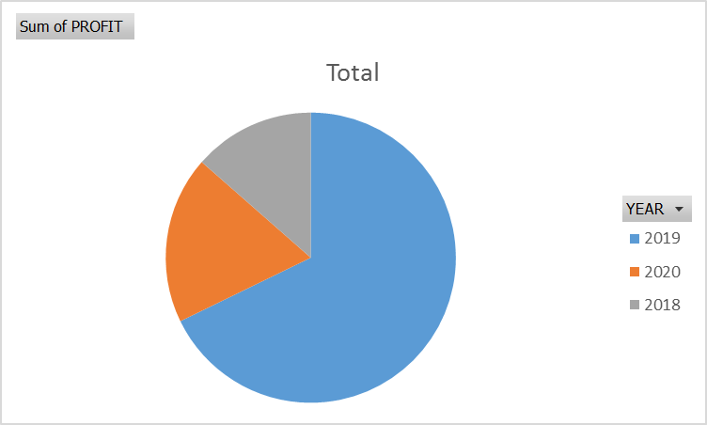

navigation

 | Total
November | 2088536.95
October | 1001377.2
May | 923972.56
January | 761985.12
Febuary | 756238.28
March | 735805.81
April | 669390.96
August | 659310.57
December | 609247.24
September | 584724.27
July | 514875.97
June | 454756.78

Sheet1
ANALYSIS OF AUTOMOBILE SALES 2023
Country with highest purchased
 | Total
Australia | 6246
Austria | 1974
Belgium | 1074
Canada | 2293
Denmark | 2197
Finland | 3192
France | 11090
Germany | 2148
Ireland | 490
Italy | 3773
Japan | 1842
Norway | 2842
Philippines | 961
Singapore | 2760
Spain | 12429
Sweden | 2006
Switzerland | 1078
UK | 5013
USA | 33020
Navigation
Productline with highest quantity
 | Total
Classic Cars | 33373
Vintage Cars | 20059
Motorcycles | 11080
Planes | 10636
Trucks and Buses | 10579
Ships | 7989
Trains | 2712
productline with Highest profit
 | Total
Classic Cars | -4318.3
Motorcycles | 983.11
Planes | 471.42
Ships | 508.93
Trains | 856.37
Trucks and Buses | 567.77
Vintage Cars | 2049.52

Monthly Sales
 | Total
November | 2088536.95
October | 1001377.2
May | 923972.56
January | 761985.12
Febuary | 756238.28
March | 735805.81
April | 669390.96
August | 659310.57
December | 609247.24
September | 584724.27
July | 514875.97
June | 454756.78
Year with Highest Profit
 | Total
2019 | 758.44
2020 | 208.9
2018 | 151.48

Dashboard

productline with highest quanti
Row Labels | Sum of QUANTITYORDERED
Classic Cars | 33373
Vintage Cars | 20059
Motorcycles | 11080
Planes | 10636
Trucks and Buses | 10579
Ships | 7989
Trains | 2712
Grand Total | 96428

country with highest profit
Row Labels | Sum of QUANTITYORDERED
Australia | 6246
Austria | 1974
Belgium | 1074
Canada | 2293
Denmark | 2197
Finland | 3192
France | 11090
Germany | 2148
Ireland | 490
Italy | 3773
Japan | 1842
Norway | 2842
Philippines | 961
Singapore | 2760
Spain | 12429
Sweden | 2006
Switzerland | 1078
UK | 5013
USA | 33020
Grand Total | 96428

Sheet2
Row Labels | Sum of PROFIT
Classic Cars | -4318.3
Motorcycles | 983.11
Planes | 471.42
Ships | 508.93
Trains | 856.37
Trucks and Buses | 567.77
Vintage Cars | 2049.52
Grand Total | 1118.82

